Scatterplot (Plotly) Hyper Para
PLOTLY SCATTERPLOT

①HYPER PARAMETERS FOR SCATTERPLOT | REFERENCE

 | ⇰REFERENCE (Website) --> Plotly Regarding Snapshot of all Hyper Parameter for plotly.scatterplot()

 | ⇰REFERENCE (Website)--> Plotly Regarding Total No of Available Plots in Plotly

⇰data_frame (df) ❶ A DataFrame is a data structure that organizes data into a 2-dimensional table of rows and columns, much like a spreadsheet. ❷We know pandas is built on numpy but pandas make data more interactive & informative set of data that's although information is same but in pandas data is more intaractive and meaningful because of information is present in data frame ( with labels and index ) so labels on rows & columns yield more meaningful information as compared to numpy . | ⇰REFERENCE (Website)--> Google Colab 1.2 Plotly Intermediate Regarding Hyper parameter (df) Dataframe()

 | ⇰REFERENCE (Website)--> Plotly Regarding Total No of Available Plots in Plotly

 | ⇰REFERENCE (Website)-->Plotly Regarding Various Hyper parameters for Scatterplot

 | ⇰REFERENCE (Website)--> Google Colab 1.10 Introduction to Pandas Regarding Definition of Dataframe Example

⇰x (str or int or Series or array-like) ❶ Either a name of a column in data_frame, or a pandas Series or array_like object. Values from this column or array_like are used to position marks along the x axis in cartesian coordinates. Basically in Other Word Feature [X1 ,X2,X3] Like [X1 =TV] ,[X2=Radio] ,[X3=newspaper]. | ⇰REFERENCE (Website)-->1.1Google Colab Sup.V Learning Linear Regression Regarding Dataset Which Right Here Correlated Against Feature {X} & Output {y}.

⇰y (str or int or Series or array-like) ❶Either a name of a column in data_frame, or a pandas Series or array_like object. Values from this column or array_like are used to position marks along the y axis in cartesian coordinates.Basically Here in this case it will be an Output (y) [y=Sales].
 | ⇰REFERENCE (Website)--> W3SCHOOL Regarding Thereotical & Practical Definition of Data Frame

 | ⇰REFERENCE (Website)-->Plotly Discrete Colors in Python Regarding Various Sorts of Colours (Discrete vs Continuous Colors in Plotly)

 | ⇰REFERENCE (Website)-->1.2 Plotly Intermediate (Google Colab) Regarding Usage of Hyper Parameter Size & Size_max()
⇰size (str or int or Series or array-like) ❶Either a name of a column in data_frame, or a pandas Series or array_like object. Values from this column or array_like are used to assign mark sizes. Basically in these Condition size & Color Are Inter related Due to Data is Exhibited depend upon Mark Size.

⇰color (str or int or Series or array-like) ❶Either a name of a column in data_frame, or a pandas Series or array_like object. Values from this column or array_like are used to assign color to marks. | ⇰REFERENCE (Website)-->1.2 Plotly Intermediate (Google Colab) Regarding All Basic Parameter Like X , y, Data Frame , Color()

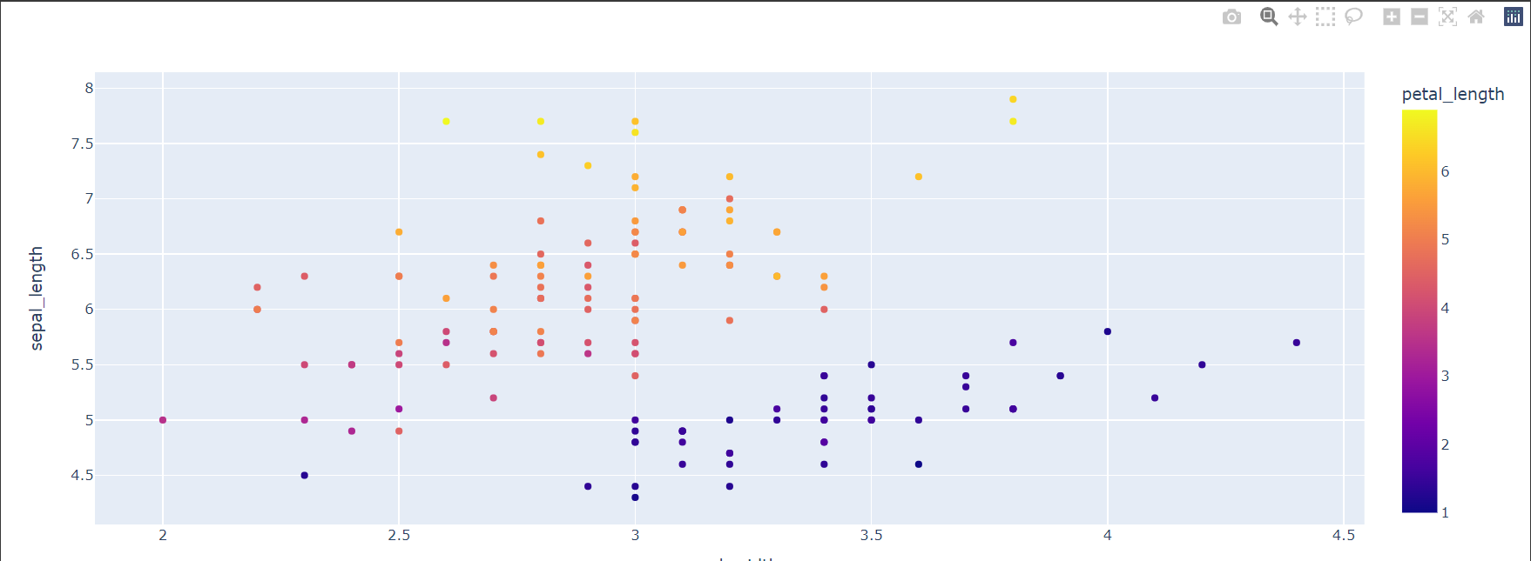
 | ⇰REFERENCE (Website)-->Plotly Regarding Visualization of Scatterplot ( )

 | ⇰REFERENCE (Website)--> List or Total Type of Plots Available in Plotly

 | ⇰REFERENCE (Website)--> Plotly Regarding Various Colour Related Hyper Parameter 's Practical Implementation in Plotly

②HYPER PARAMETERS FOR TYPE OF SCATTERPLOT (BUBBLE PLOT)

⇰Bubble Chart (Types of Scatterplot)-->A bubble chart is a scatter plot in which a third dimension of the data is shown through the size of markers. For other types of scatter plot, see the scatter plot documentation.We first show a bubble chart example using Plotly Express. Plotly Express is the easy-to-use, high-level interface to Plotly, which operates on a variety of types of data and produces easy-to-style figures. The size of markers is set from the dataframe column given as the size parameter. | ⇰REFERENCE (Website)-->Plotly Regarding Overall Concept & Practical Implementation of Bubble Plot ( Type of Scatterplot)

⇰hover_data--> Either a list of names of columns in data_frame, or pandas Series, or array_like objects or a dict with column names as keys,Values from these columns appear as extra data in the hover tooltip. Basically At Time When Mouse Cursor Hovered Around Plot We Can see that various Column data in Single Bubble. | ⇰REFERENCE (Website)-->Google Colab (Visualization)) 1.2 Plotly Intermediate () Regarding Practical Implementation of Hyper Parameter hover_data,size,size_max()& color() | ⇰REFERENCE (Website)-->Plotly Regarding Practical Implementation of Hover Text & Formatting in Python By Plotly

⇰size (str or int or Series or array-like) ❶Either a name of a column in data_frame, or a pandas Series or array_like object. Values from this column or array_like are used to assign mark sizes. Basically in these Condition size & Color Are Inter related Due to Data is Exhibited depend upon Mark Size.

⇰size_max((int (default 20)) ❶Set the maximum mark size when using size. | ⇰REFERENCE (Website)-->Plotly Regarding Coding Implementation of Scatter Plot & Various Type of Plot in Plotly

⇰color (str or int or Series or array-like) ❶Either a name of a column in data_frame, or a pandas Series or array_like object. Values from this column or array_like are used to assign color to marks.
 | ⇰REFERENCE (Website)--> Plotly Regarding Various Colour Related Hyper Parameter 's Practical Implementation in Plotly

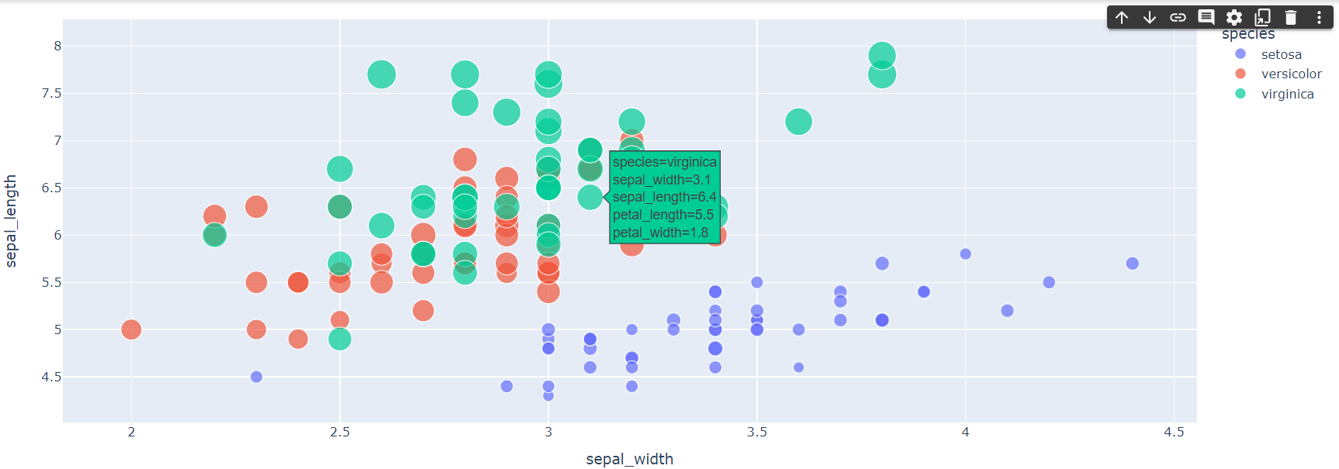 | ⇰REFERENCE (Website)-->Google Colab (Visualization)) 1.2 Plotly Intermediate () Regarding Practical Implementation of Hyper Parameter hover_data,size,size_max() & color()

 | ⇰REFERENCE (Website)-->Plotly Regarding Overall Various types of Hyper Parameter in Plotly Scatterplot()

 | ⇰REFERENCE (Website)-->Plotly Regarding Practical Implementation of Hover Text & Formatting in Python By Plotly

⇰hover_name() ❶Either a name of a column in data_frame, or a pandas Series or array_like object. Values from this column or array_like appear in bold in the hover tooltip.Basically At Time When Mouse Cursor Hovered Around Plot We Can see that various Column data in Single Bubble On the Top of that with name of column 's data that we want to specify in bold letter (Above top notch). | ⇰REFERENCE (Website)-->1.2 (Visualization) Google Colab Plotly Intermediate Regarding Practical Implementation of Hyper Parameter (Hover_name) | ⇰REFERENCE (Website)-->Plotly Regarding Practical Implementation of Hover Text & Formatting in Python By Plotly

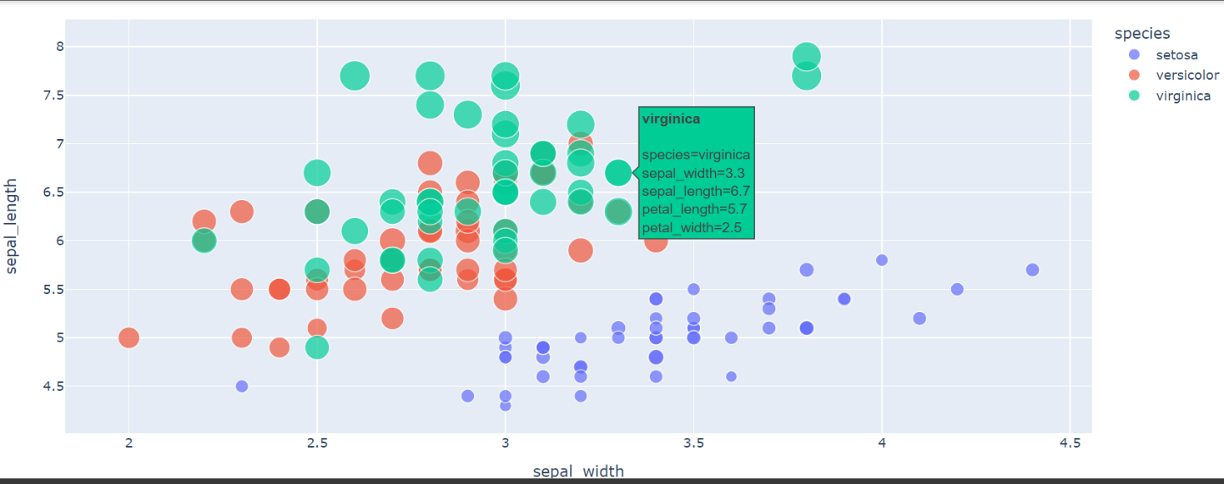

 | ⇰REFERENCE (Website)-->Plotly Regarding Coding Implementation of Scatter Plot & Various Type of Plot in Plotly

 | ⇰REFERENCE (Website)-->Plotly Regarding Overall Various types of Hyper Parameter in Plotly Scatterplot()

③Hyper Parameter for Facet Subplot Basically assign marks to facetted subplots in the vertical direction & Horizontal Direction.

 | ⇰REFERENCE (Website)-->1.2 (Visualization) Google Colab Plotly Intermediate Regarding Practical Implementation of Hyper Parameter (Facet_row) & (Facet_row_spacing
⇰facet_row (str or int or Series or array-like ❶ A facet is one side or aspect of something.If Used in Sentence you should first consider every facet of what your new life would be like. ❷ Either a name of a column in data_frame, or a pandas Series or array_like object. Values from this column or array_like are used to assign marks to facetted subplots in the vertical direction.

⇰facet_row_spacing (float between 0 and 1) ❶Spacing between facet rows, in paper units. Default is 0.03 or 0.0.7 when facet_col_wrap is used.
 | ⇰REFERENCE (Website)-->Plotly Regarding Coding Implementation of Scatter Plot & Various Type of Plot in Plotly

 | ⇰REFERENCE (Website)-->Plotly Regarding Overall Various types of Hyper Parameter in Plotly Scatterplot()
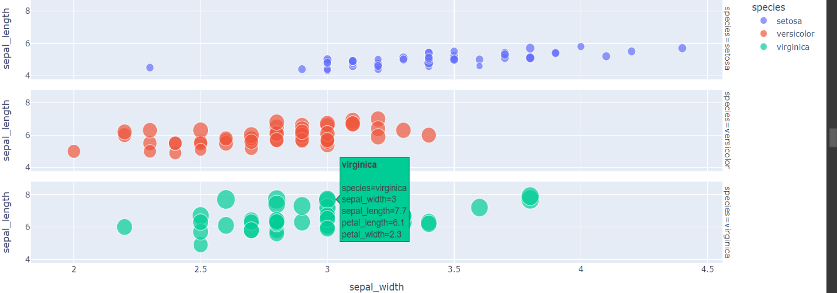

 | ⇰REFERENCE (Website)-->Stackoverflow Regarding Add "facet_row labels" in manually produced subplots with Plotly

⇰facet_col (str or int or Series or array-like) ❶Either a name of a column in data_frame, or a pandas Series or array_like object. Values from this column or array_like are used to assign marks to facetted subplots in the horizontal direction. | ⇰REFERENCE (Website)-->Stackoverflow Regarding How to plot multiple facet_row in Python using plotly.express

⇰facet_col_spacing (float between 0 and 1) ❶ Spacing between facet columns, in paper units Default is 0.02.
 | ⇰REFERENCE (Website)-->1.2 (Visualization) Google Colab Plotly Intermediate Regarding Practical Implementation of Hyper Parameter (Facet_col) & (Facet_col_spacing)
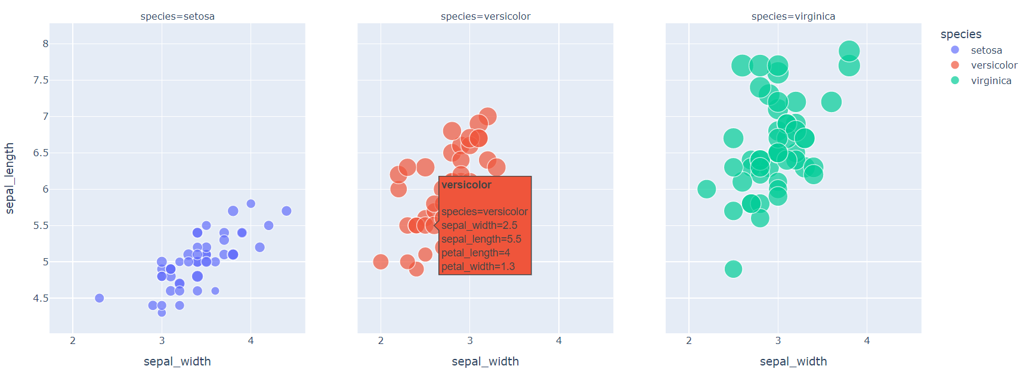

 | ⇰REFERENCE (Website)-->Plotly Regarding Coding Implementation of Scatter Plot & Various Type of Plot in Plotly

 | ⇰REFERENCE (Website)-->Plotly Regarding Overall Various types of Hyper Parameter in Plotly Scatterplot()

④Hyper Parameters For Subplot Creation In Relationship Against Main Plot & Visualizing X Coordinate Distribution in the form ( Rug Plot , Violin Plot , Histogram Plot )
 | ⇰REFERENCE (Website)-->Plotly Regarding Overall Various types of Hyper Parameter in Plotly Scatterplot()

⇰marginal_x('str') ❶ One of 'rug', 'box', 'violin', or 'histogram'. If set, a horizontal subplot is drawn above the main plot, visualizing the x-distribution.In This Case We have Used Boxplot for X Axis Distribution Summary By Box Plot

 | ⇰REFERENCE (Website)-->1.2 (Visualization) Google Colab Plotly Intermediate Regarding Practical Implementation of Hyper Parameter (marginal_x)
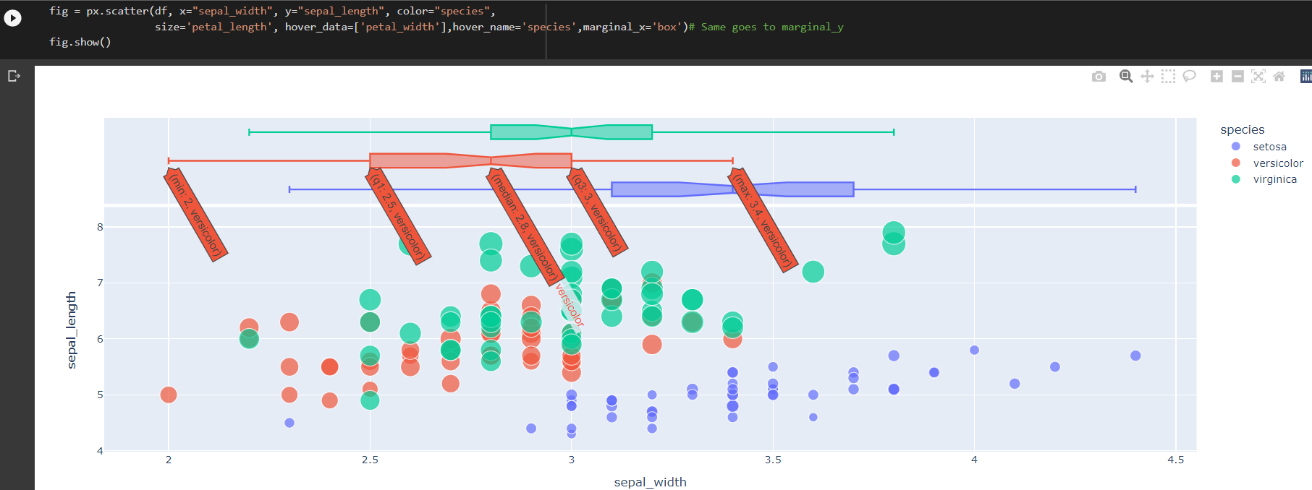

 | ⇰REFERENCE (Website)-->Plotly Regarding Coding Implementation of Scatter Plot & Various Type of Plot in Plotly

⇰marginal_y('str') ❶ One of 'rug', 'box', 'violin', or 'histogram'. If set, a vertical subplot is drawn to the right of the main plot, visualizing the y-distribution. | ⇰REFERENCE (Website)-->Plotly Regarding Coding Implementation of Scatter Plot & Various Type of Plot in Plotly

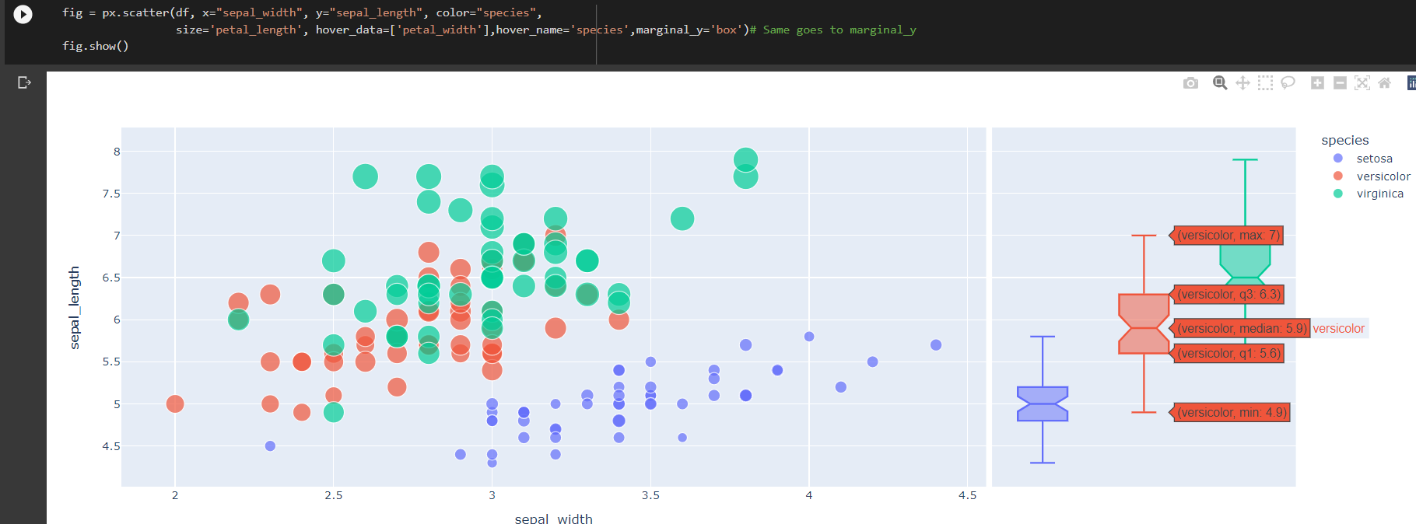

 | ⇰REFERENCE (Website)-->1.2 (Visualization) Google Colab Plotly Intermediate Regarding Practical Implementation of Hyper Parameter (marginal_x)

 | ⇰REFERENCE (Website)-->Plotly Regarding Overall Various types of Hyper Parameter in Plotly Scatterplot()

⑤Hyper Parameters for Forecasting Or In Another Word Finding Out Trendline or Trend Setting for the Given Set of Data We can Find out Trendline for Specfic Type of Dataset or Entire Datset. | ⇰REFERENCE (Website)-->Linear Regression (1.1 Google Colab) Super vised Learning Regarding The Practical Concept of Abbreviation (OLS) Or Ordinary Least Square Method

⇰trendline('str') ❶ One of 'ols', 'lowess', 'rolling', 'expanding' or 'ewm'. If 'ols', an Ordinary Least Squares regression line will be drawn for each discrete-color/symbol group. If 'lowess’, a Locally Weighted Scatterplot Smoothing line will be drawn for each discrete-color/symbol group. If 'rolling’, a Rolling (e.g. rolling average, rolling median) line will be drawn for each discrete-color/symbol group. If 'expanding’, an Expanding (e.g. expanding average, expanding sum) line will be drawn for each discrete-color/symbol group. If 'ewm’, an Exponentially Weighted Moment (e.g. exponentially-weighted moving average) line will be drawn for each discrete-color/symbol group. ❷Basically in Simpler Words With This Hyper Parameter (trendline) We can Create A Forecasting or Trendline Regarding Different Group of Dataset Like in This Case About Trnedline Regarding Different Species

 | ⇰REFERENCE (Excel Sheet)-->2.1 Linear Regression excel Sheet Regarding Conceptual Knowledge of (OLS) Ordinary Least Square

 | ⇰REFERENCE (Website)-->Plotly Regarding Overall Various types of Hyper Parameter in Plotly Scatterplot()

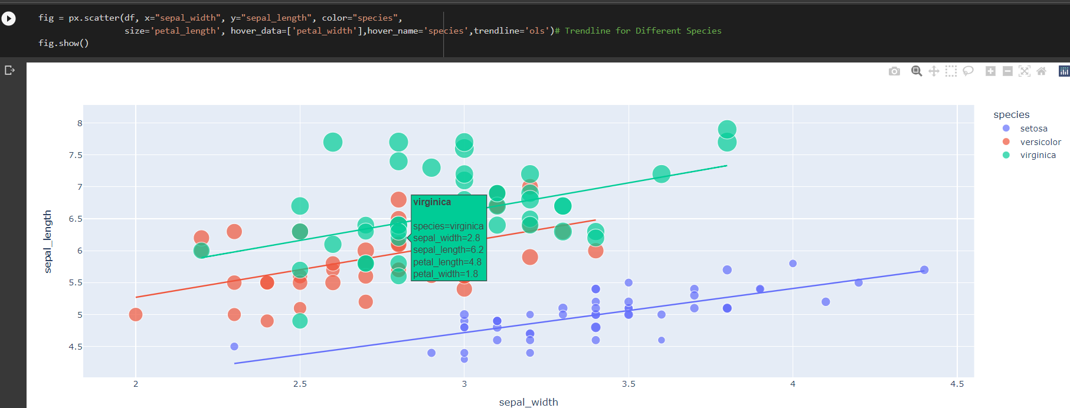 | ⇰REFERENCE (Website)-->Plotly Regarding Coding Implementation of Scatter Plot & Various Type of Plot in Plotly

 | ⇰REFERENCE (Website)-->1.2 (Visualization) Google Colab Plotly Intermediate Regarding Practical Implementation of Hyper Parameter (trendline"str")

⇰trendline_scope(str (one of 'trace' or 'overall', default 'trace')) ❶If 'trace', then one trendline is drawn per trace (i.e. per color, symbol, facet, animation frame etc) and if 'overall' then one trendline is computed for the entire dataset, and replicated across all facets. ❷Basically in Other Word New Forecasting or Trensetter Line Will be Created Considering The Entire Datset Not Just one Part or The Dataset Simply A New Trensetter Line Will Be Created Considering Sum totality of all Dataset.So There will Be No Multiple Trend LineAs we have seen in Previous Point. | ⇰REFERENCE (Website)-->Plotly Regarding Overall Various types of Hyper Parameter in Plotly Scatterplot()

 | ⇰REFERENCE (Website)-->Plotly Regarding Coding Implementation of Scatter Plot & Various Type of Plot in Plotly

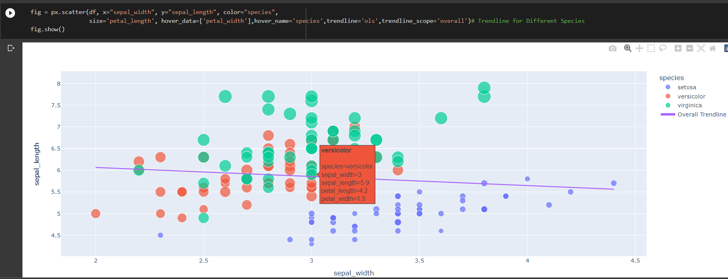

 | ⇰REFERENCE (Website)-->1.2 (Visualization) Google Colab Plotly Intermediate Regarding Practical Implementation of Hyper Parameter (trendline_scope("str"))

⑥Hyper Parameters For Styling & Layout Or Sizing of Plot & As well as Title | ⇰REFERENCE (Website)-->Plotly Regarding Overall Various types of Hyper Parameter in Plotly Scatterplot()

⇰title (str) – The figure title.
⇰width (int (default None)) ❶The figure width in pixels. (Basically By Default Length * Breath ) By 800*600

⇰height (int (default None)) ❶The figure height in pixels. (Basically By Default Length * Breath) By 800*600 | ⇰REFERENCE (Website)-->Plotly Regarding Coding Implementation of Scatter Plot & Various Type of Plot in Plotly

⇰opacity ❶opacity (float) – Value between 0 and 1. Sets the opacity for markers.

⇰Orientation (str, one of 'h' for horizontal or 'v' for vertical) ❶(default 'v' if x and y are provided and both continous or both categorical, otherwise 'v'`(‘h’) if `x`(`y) is categorical and y`(`x) is continuous, otherwise 'v'`(‘h’) if only `x`(`y) is provided)
 | ⇰REFERENCE (Website)--> Excel Sheet Regarding Hyper Parameter Orientation Usage 1.3 Excel Sheet Matplotlib Style

 | ⇰REFERENCE (Website)--> Plotly Regarding Adjusting Height, Width, & Margins with Plotly Express

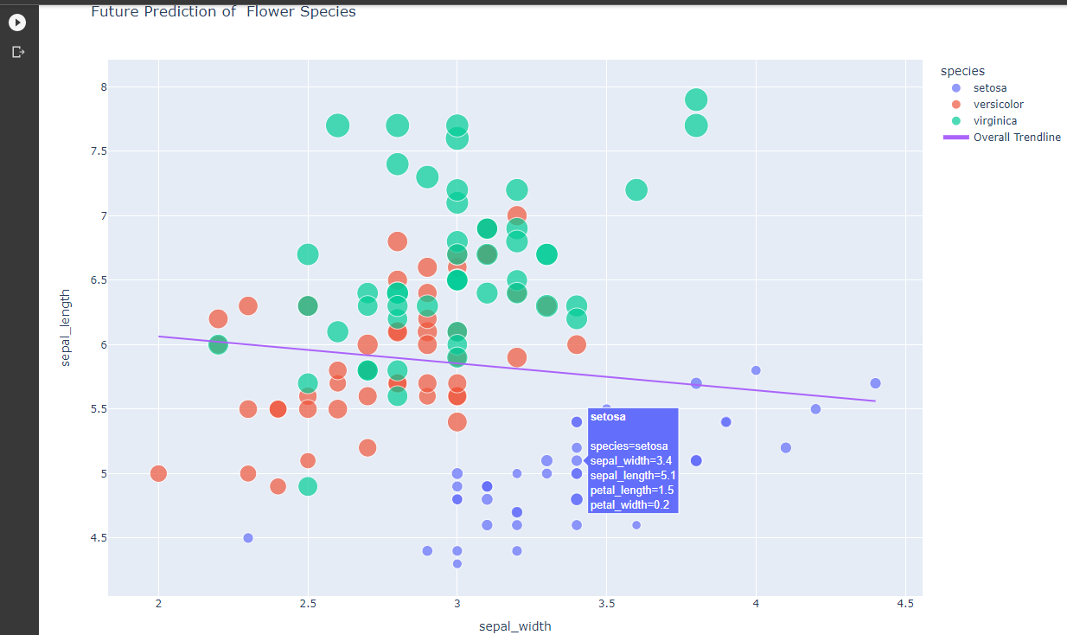 | ⇰REFERENCE (Website)-->1.2 (Visualization) Google Colab Plotly Intermediate Regarding Practical Implementation of Hyper Parameter (trendline_scope("str"))

 | ⇰REFERENCE (Website)-->Plotly Regarding Hyper Parameter (Orientation Horizontal & Vertical Bar Chart) (By Acronoym v -vertical, h-horizontal)

ScatterPlot (Gapminder CSV)
SCATTER PLOT (PLOTLY) GAPMINDER (CSV) REGARDING PRACTICAL IMPLEMENTATION | REFERENCE

⇰Gapminder combines data from multiple sources into unique coherent time-series that can’t be found elsewhere. ❶Most of our data are not good enough for detailed numeric analysis. They are only good enough to revolutionize people’s worldview. But we only fill in gaps whenever we believe we know roughly what the numbers would have been, had they existed. The uncertainties are often large. But we comfort ourselves by knowing the errors in peoples worldview are even larger. Our data is constantly improved by feedback in our data forum from users finding mistakes. ❷We use current geographic boundaries : We show the world history as if country borders had always been the same as today. | ⇰REFERENCE (Website)-->Gapminder Documentation (CSV) Creation Regarding Gapminder 's unique coherent time-series CSV that can’t be found elsewhere.

 | ⇰REFERENCE (Website) --> Plotly Regarding Snapshot of all Hyper Parameter for plotly.scatterplot()

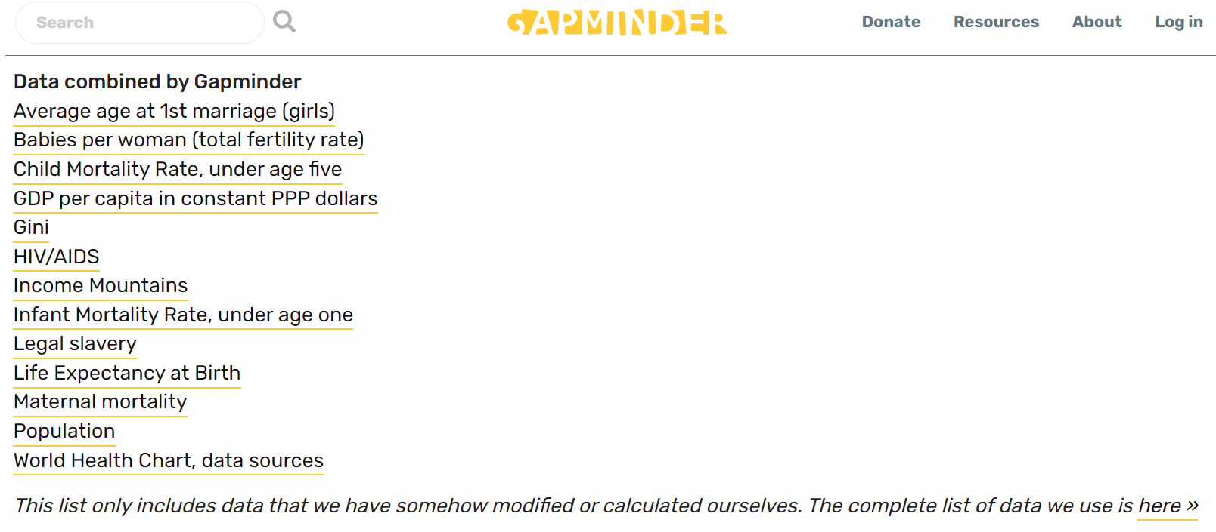 | ⇰REFERENCE (Website)--> Plotly Regarding Total No of Available Plots in Plotly

 | ⇰REFERENCE (Website)-->Plotly Regarding Visualization of Scatterplot ( ) & Practial Implementation (Coding) of Scatter Plot By Plotly Module

 | ⇰REFERENCE (You Tube)-->You Tube Regarding Exploratory Gapminder Dataset Analysis By Plotly ( Visualization) Technique ) By Channel Code Gnan

 | ⇰REFERENCE (Website)-->Github Regarding Practical Implementation of Gapminder CSV & Data Frame Creation for (Query params= 2007 , Continent =America)

 | ⇰REFERENCE (Website)-->Stackoverflow Regarding Proper Implementation of Query Params (Especialy They Used in API)

①PRACTICAL IMPLEMENTATION OF GAPMINDER CSV 's GEOGRAPHIC BOUNDARIES DATA & VISUALIZATION VIA SCATTER PLOT

⇰Let's Find Out (Gapminder 's Geography Csv) 's (Visual Correlation) in Between GDP Per Capita & Life Expectancy of Various Countries & From Different Continent of Specific Years 2007& Plotting Them Via Plotly Scatter Plot with Given Hyper Parameter .

 | ⇰REFERENCE (You Tube)-->You Tube Regarding Exploratory Gapminder Dataset Analysis By Plotly ( Visualization) Technique ) By Channel Code Gnan
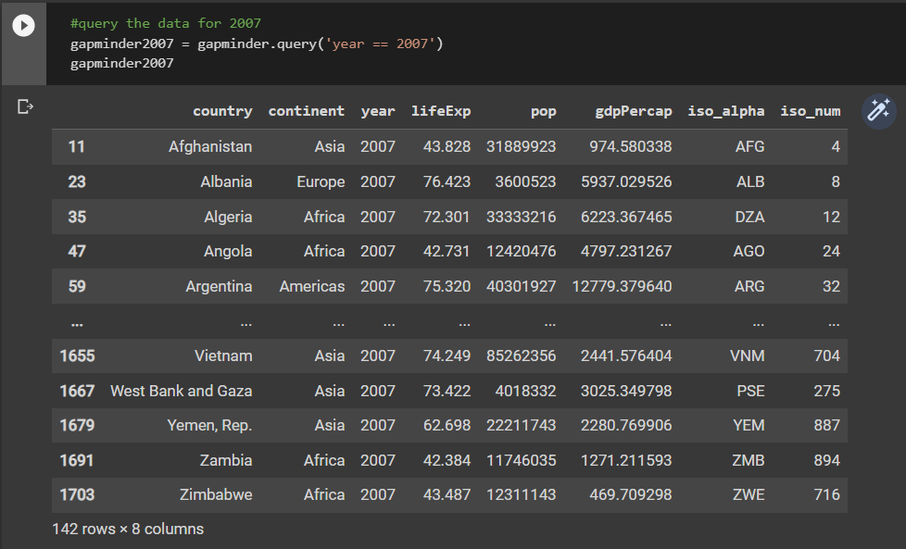

 | ⇰REFERENCE (Website)--> 2.1 (Google Colab) Plotly Intermediate Regarding Practical Implementation (Coding) of Gapminder CSV & Proper Data Visualization By Plotly Scatter Plot

 | ⇰REFERENCE (Website)-->Google Colab (1.2 Plotly Intermediate) EDA Analyzing in Depth Gapminder CSV 's Data Using Plotly's Data Scatter & Cholerapth Visualization & Various Visualization Technique

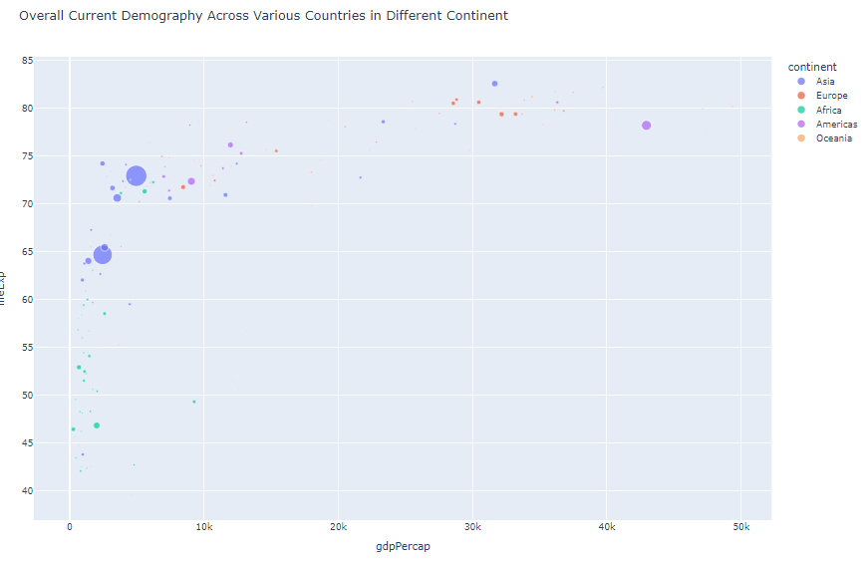

 | ⇰REFERENCE (Website)--> Git Hub Regarding Practical Implementation (Coding ) of Various Columns in Hyper Parameter of Hover Data in Gapminder CSV ( ) Data Visualization

